Testing Checklist
API OWASP TOP 10 2023: Testing Guide Checklist

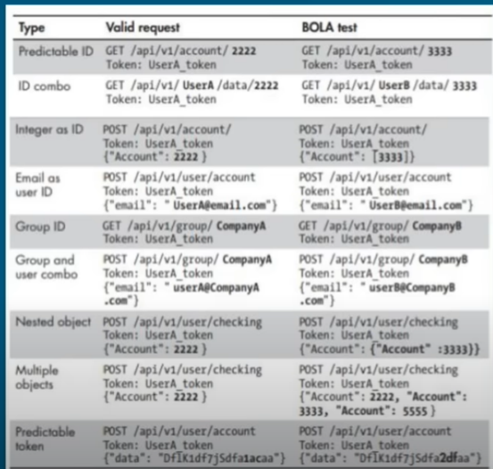
Test Name | Objectives | Status | Tools
API1:2023 Broken Object Level Authorization | Try to access the resource with different GID, UserID,Nested Object, Predicatable token etc. See the picture for reference. Further reading https://inonst.medium.com/a-deep-dive-on-the-most-critical-api-vulnerability-bola-1342224ec3f2 | Not Started | Postman,Burp Intruder, Repater
API1:2023 Broken Authentication | Determine whether token or password or API KEY in URL, Determine if there is any lack of authentication presented when making sensitive requests. Check if lockout implemented. Check if the tokens are predicatable(check the randomness of the token using Burp Sequencer) etc. Check if the JWT expires etc. | Not Started | Postman,Burp Suite, Burp Suite Sequencer
API3:2023 Broken Object Property Level Authorization | Review the response for data exposure, fuzz to find additional properties like isadmin: true, admin:1, admin:true etc | Not Started | Burp Intruder. Repeater
API4:2023 Unrestricted Resource Consumption | Send null payload to observe whether the enpoint limits the number of the requests., check if possible to upload large files etc. | Not Started | Postman,Burp Intruder
API5:2023 Broken Function Level Authorization | Check if you can alter/delete the users. Check the HTTP methods like DELETE, PUT, UPDATE etc. | Not Started | Postman,Burp Repater, Intruder
API6:2023 Unrestricted Access to Sensitive Business Flows | Try to abuse the business logic of the endpoint e.g abusing airline ticket system to buy the ticket for cheaper price. | Not Started | Postman,Burp Repater
API7:2023 Server Side Request Forgery | Identifiy the injection points , supply the payloads to injection points e.g localhost, 127.0.0.1, file://, use proxy extension to identify possible vulnerable parameters e.g HUNT | Not Started | Postman, Burp Suite, HUNT
API8:2023 Security Misconfiguration | Check If CORS improperly set, check the error messages for information exposure, check if TLS is missing, check if the input is being sanitezed, check for security headers, | Not Started | BUrp Intruder. Repeater
API9:2023 Improper Inventory Management | Check if non-production envrioment exposed. Check if the document is up to date. Check if version info avaliable/active e.g /v1/ /v2/, /v3/. Check the developments paths /alpha/, /uat/, demo. Fuzz the common paths, objects etc. https://github.com/chrislockard/api_wordlist/blob/master/common_paths.txt | Not Started | Postman, Burp Suite
API10:2023 Unsafe Consumption of APIs | Check if there is any insecure connection between the 3rd party, check for redirections | Not Started | Postman, Burpsuite

Prepared by TANER BEYHAN

